Sheet1
Basket Wonders comparative Balance sheet Dec. 31, 2003

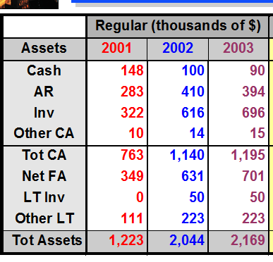

 | Financial Leverage Ratios (Balance Sheet Ratios)

 | 1. Debt to Equity Ratio = Total Debt /Total Equity

 |  | Total Debt | Total Equity | Debt to Equity Ratio
 | 2001 | $549.00 | $674.00 | 81%
 | 2002 | $958.00 | $1,086.00 | 88%
 | 2003 | $1,030.00 | $1,139.00 | 90%

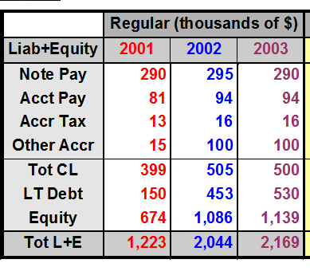
 | 2. Debt to total Assets = Total Debt / Total Assets

 |  | Total Debt | Total Asset | Debt to Total Assets Ratio
 | 2001 | $549.00 | $1,223.00 | 45%
 | 2002 | $958.00 | $2,044.00 | 47%
 | 2003 | $1,030.00 | $2,169.00 | 47%

 | 3. Total Capitalization Ratio = Total Debt /Total Capitalization
 | total Capitalization = LT- Debt + Equity

 |  | Total Debt | LT-Debt | Equity | Total Capitalization | total Capitalization Ratio
 | 2001 | $549.00 | $150.00 | $674.00 | $824.00 | 67%
 | 2002 | $958.00 | $453.00 | $1,086.00 | $1,539.00 | 62%
 | 2003 | $1,030.00 | $530.00 | $1,139.00 | $1,669.00 | 62%

